Bug Report
Kerala State Road Transport Corporation(KSRTC)
VERSION NO : |  |  |  |  |  | TESTED BY : Harsha R S
VERIFIED BY : |  |  |  |  |  | DATE : 25-02-2024
ENVIRONMENT DETAILS : Windows 11 |  |  |  |  |  | MODULE NAME : KSRTC All modules

Bug ID | Test Case ID | Expected Result | Bug Description | Steps to reproduce | Screenshot | Severity | Priority | Status

KSRTC_01 | KSRTC_Home_04 | An alert should appear to open an app | Contact Us symbol is not working | 1. Open the website. 2. https://www.keralasrtc.com 2. Click Contact Us |  | Minor | Medium | New
KSRTC_02 | KSRTC_Home_05 | It should display the other details of discount. | The dialogue box contents are same as in the home page there is no other details | 1. Open the website. 2. https://www.keralasrtc.com 2. Click read more | 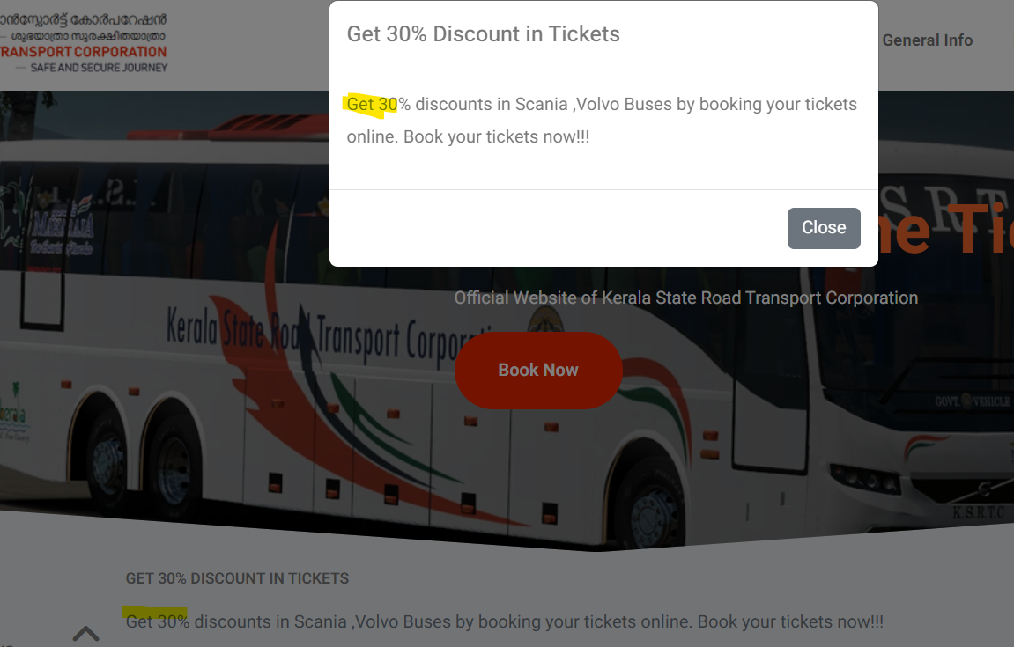 | Minor | High | New
KSRTC_03 | KSRTC_Home_08 | The table should display ' no items to display' is there is no notification | The Notification table is empty | 1. Open the website. 2. scroll down to Useful Links 3. click notifications |  | Minor | Low | New
KSRTC_04 | KSRTC_Home_09 | The UI should be perfect | 1. The left side of Table header is broken. 2. UI of 'Latest' is different for each tab. | 1. Open the website. 2. scroll down to Useful Links 3. click tender 4. Click 'civil works' ,'purchase' , 'Miscellaneous','commercial','sale','result'. | 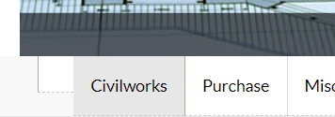 | Minor | High | New
KSRTC_05 | KSRTC_Home_10 | The hyperlink 'Latest' should be clickable and display the latest contents | Latest link is not working | 1. Open the website. 2. scroll down to Useful Links 3. click tender 4. Click 'civil works' ,'purchase' , 'Miscellaneous','commercial','sale','result'. |  | Minor | Low | New
KSRTC_06 | KSRTC_Home_11 | Spacing between the words and symbols should be correct | There is a space issue - 'Main Block,Government Secretariat,' | 1. Open the website. 2. scroll down to Useful Links 3. click Key People |  | Minor | Low | New
KSRTC_07 | KSRTC_Home_12 | There should be text case validation and max length restrictions | Not as expected | 1. Open the website. 2. scroll down to Useful Links 3. click Depots Enquiry |  | Minor | Medium | New
KSRTC_08 | KSRTC_Home_14 | Spelling mistakes in the page | There is spelling mistakes | 1. Open the website. 2. scroll down to Useful Links 3. click Financial |  |  |  | New
KSRTC_09 | KSRTC_Home_17 | All links should open | The links are not opening | 1. Open the website. 2. scroll down to More links 3. Click - Employee Zone |  | Major | High | New
KSRTC_10 | KSRTC_BookNow_08 | The values are not refreshed when we click back | The older values should be refreshed when we click back. | 1. click bus booking 2. select One-way or Round Trip 3. Click Search buses 4. Click Back |  | Major | Medium | New
KSRTC_11 | KSRTC_BookNow_13 | There should be text case validations for numbers and alphabets | There is not text case validation and there is no max length limit | 1. click bus booking 2. select One-way or Round Trip 3. Click Search buses 4. Enter numbers in the text fields |  | Major | Medium | New
KSRTC_12 | KSRTC_BookNow_15 | The page should redirect to an app for calling functionality | The page is not redirected to an app for the call functionality | 1. click bus booking 2. select One-way or Round Trip 3. Click Search buses 4. Click Booking Enquiries |  | Major | High | New
KSRTC_13 | KSRTC_BookNow_21 | The name should not be saved when we enter number in that field '5555' | The number '5555' is saved as name. there is no validation for numbers in the text field | 1. Click Login/signup 2. Enter invalid value in the name field |  | Major | High | New
KSRTC_14 | KSRTC_BookNow_32 | It should not redirect to the next section since all the passenger details are same | The values for 6 passenger details is given as same and it got saved. | 1.Open the kerala ksrtc site |  | Major | High | New
KSRTC_15 | KSRTC_BookNow_33 | The invalid values should not be accepted | Invalid values are accepted | 2.Click Book now |  | Major | High | New
KSRTC_16 | KSRTC_AboutUS_03 | There should be no spelling mistakes | There is a spelling mistake - 'tcerhrough ' | 1. Search KSRTC kerala in google. 2. Click About US 3. Click Citizen Charter |  | Minor | Low | New
KSRTC_17 | KSRTC_AboutUS_04 | There should be no spelling mistakes | There is a spelling mistake - 'travelers ' | 1. Search KSRTC kerala in google. 2. Click About US 3. Click future |  | Minor | Low | New
KSRTC_18 | KSRTC_AboutUS_05 | There should be no spelling mistakes | Mispelled - 'inaugration','minmum ','corpoartion ' | 1. Search KSRTC kerala in google. 2. Click About US 3. Click History link |  | Minor | Low | New
KSRTC_19 | KSRTC_AboutUS_08 | There should be no spelling mistakes | Spelling mistake - 'Thiruvanthapuram ' | 1. Search KSRTC kerala in google. 2. Click About US 3. Click Network |  | Minor | Low | New
KSRTC_20 | KSRTC_Directory_04 | There should be no spelling mistakes | Assistant is written as 'ASST' and 'ASSISTANT' in alternative rows. | 1. Search KSRTC kerala in google. 2. Click Directory 3. Click workshop head |  | Minor | Low | New
KSRTC_21 | KSRTC_Directory_05 | There should be no spelling mistakes | Thiruvananthapuram is written as 'Thiruvanthapuram | 1. Search KSRTC kerala in google. 2. Click Directory 3. Click Maintenance head |  | Minor | Low | New
KSRTC_22 | KSRTC_GenInfo_03 | The links should be loaded and working | Error screen is show when we click the link | 1. Search KSRTC kerala in google. 2. Click General Info 3. How to reserve a ticket |  | Major | High | New
KSRTC_23 | KSRTC_GenInfo_04 | There should be no spelling mistakes. | Spelling mistake - Curently ,Passenge | 1. Search KSRTC kerala in google. 2. Click General Info 3. Online reservation link |  | Minor | Low | New
KSRTC_24 | KSRTC_More_02 | The links should be loaded and working | The link is not working | 1. Search KSRTC kerala in google. 2. Click More 3. Click e-tickets |  | Major | High | New
KSRTC_25 | KSRTC_More_04 | The links should be loaded and working | not as expected - Dummy paragraph is kept in the pdf. | 1. Search KSRTC kerala in google. 2. Click More 3. Click press release 4. click notification |  | Major | High | New

Defect Distribution Graph
Defect Dsitribution Report

 | Module Name | Defect Distribution
 | Home | 9
 | Book Now | 6
 | About Us | 1
 | Directory | 2
 | RTI info | 0
 | General Info | 2
 | More | 2

